Home
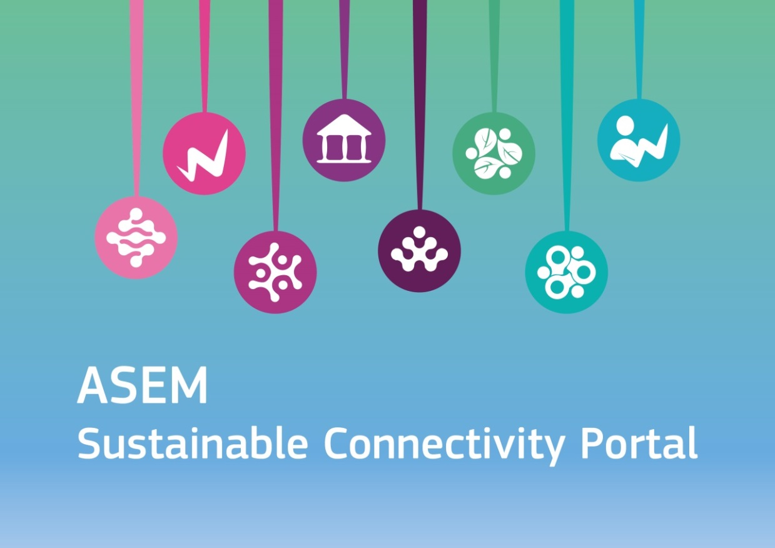

Dataset compiled for the ASEM Sustainable Connectivity Portal

https://composite-indicators.jrc.ec.europa.eu/asem-sustainable-connectivity


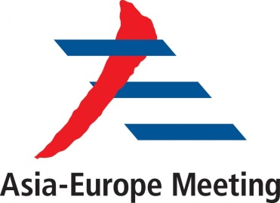

How to cite: Becker, W.; Dominguez-Torreiro, M.; Neves, A.R.; Tacão Moura, C. J.; Saisana, M., , Exploring ASEM Sustainable Connectivity – What brings Asia and Europe together?, 2018, ISBN 978-92-79-92901-4, doi:10.2760/77696, PUBSY JRC112998.

Last updated: September 2018 | European Commission's Joint Research Centre

Contents
Contents
 | Tab | Description
 | Conceptual Framework | Conceptual framework of the Connectivity and Sustainability Indexes, inlcuding the complete list of indicators and detailed information such as definitions and data sources.
Extensive Connectivtity measures a country's connectivity in absolute terms.
Intensive Connectivity measures a country's connectivity in relation to its size.
 | Raw data (Extensive) | Raw data collected by indicator and country. This data is used for the extensive connectivity approach which measures a country's connectivity in absolute terms.
 | Raw data (Intensive) | Raw data denominated by indicator and country. Some indicators included in the Connectivity Index have been denominated by GDP, population, etc. in order to scale the indicator to the country size. This is called the intensive connectivity approach.
 | Winsorised data (Extensive) | Data refers to the extensive connectivity approach after outliers treatment. Outliers refer to extremely high or low values, which distort the indicators' distribution. Using the winsorisation approach, those values are assigned the next highest (or lowest) value. The criteria applied to detect the outliers was based on the combined thresholds for skewness (2) and kurtosis (3.5) of the distribution.
 | Winsorised data (Intensive) | Data refers to the intensive connectivity approach after outliers treatment. Outliers refer to extremely high or low values, which distort the indicators' distribution. Using the winsorisation approach, those values are assigned the next highest (or lowest) value. The criteria applied to detect the outliers was based on the combined thresholds for skewness (2) and kurtosis (3.5) of the distribution.
 | Normalised data (Extensive) | Data refers to the extensive connectivity approach after normalisation. Normalisation brings the raw data in a comparable numerical scale from 0 to 100. This was done by normalising each indicator using the Min-Max transformation which consists in subtracting the minimum value and dividing by the range of indicator values.
 | Normalised data (Intensive) | Data refers to the intensive connectivity approach after normalisation. Normalisation brings the raw data in a comparable numerical scale from 0 to 100. This was done by normalising each indicator using the Min-Max transformation which consists in subtracting the minimum value and dividing by the range of indicator values.
 | Aggregated data (Extensive) | Scores by country for the extensive connectivity approach resulting from additive aggregation method and equal weighting (i.e. all pillars have the same weight to the overall score).
 | Aggregated data (Intensive) | Scores by country for the intensive connectivity approach resulting from additive aggregation method and equal weighting (i.e. all pillars have the same weight to the overall score).
 | Denominators | Variables used to denominate indicators for the Intensive Connectivity approach.
 | Country groups | List of 51 ASEM countries and corresponding peer groups (GDP, GDP per capita and Population)
 | Discarded indicators | List of indicators considered for the framework and finally not retained.

Conceptual Framework
Conceptual Framework
Index | Pillar | Indicator |  | Definition | Unit | Source | Year | Geographic Coverage | Type of data | Data availability
     Connectivity |  | 1 | Logistics Performance Index | Logistics Performance Index overall score reflects perceptions of a country's logistics based on efficiency of customs clearance process, quality of trade- and transport-related infrastructure, ease of arranging competitively priced shipments, quality of logistics services, ability to track and trace consignments, and frequency with which shipments reach the consignee within the scheduled time. The index ranges from 1 to 5, with a higher score representing better performance. | None (1-5 score) | The World Bank | 2016 | National | Soft | 100 %
Physical
 |  | 2 | International flights passenger capacity | Number of seats sold on international direct flights in ASEM countries. | Thousands seats | OAG | 2017 | ASEM | Hard | 100%
 |  | 3 | Liner Shipping Connectivity Index | Measures how well countries are connected to global shipping networks. It is computed based on five components: number of ships, container-carrying capacity, maximum vessel size, number of services, and number of companies that deploy container ships in a country’s ports. | None (score) | UNCTAD | 2016 | Global | Hard | 100%
 |  | 4 | Border crossings | Total number of crossings of major roads with international borders. | Number of crossings | Own elaboration (ESRI) | 2018 | Global | Hard | 100%
 |  | 5 | Trade in electricity | Exports and imports of electricity measured in TWh (Tera-Watt hours) among ASEM countries. | TWh | Comtrade | 2015-2017 average | ASEM | Hard | 100%
 |  | 6 | Trade in gas | Exports and imports of petroleum gases and other gaseous hydrocarbons measured in million tonnes among ASEM countries. | Billion tonnes | Comtrade | 2015-2017 average | ASEM | Hard | 100%
 |  | 7 | Average connection speed | Average speeds that users can probably expect from their internet connections. Mobile network data has been removed from the dataset used to calculate the average connection speed. | Mbps | Akamai | 2017 | National | Hard | 84%
 |  | 8 | Population covered by at least a 4G mobile network | Percentage of inhabitants living within range of a mobile cellular signal, irrespective of whether they are mobile phone subscribers or users. | Percentage | UN | 2015 | National | Hard | 100%
 |  | 9 | Trade in goods | Exports and imports of goods among ASEM countries measured in USD. | Trillion USD | Comtrade | 2016 | ASEM | Hard | 100%
Economic/Financial
 |  | 10 | Trade in services | Exports and imports of commercial services worldwide measured in USD. | Million USD | WTO | 2016 | Global | Hard | 100%
 |  | 11 | Foreign direct investment | Foreign direct investment (FDI) made and received in each ASEM country. FDI is a category of cross-border investment associated with a resident in one country having control or significant influence on the management of an enterprise that is resident in another economy. | Billion USD | fDiMarkets | 2015-2017 average | ASEM | Hard | 100%
 |  | 12 | Personal remittances (received and paid) | Bilateral flows of personal transfers and compensation of employees received and paid per country. Personal transfers comprise all current transfers in cash or in kind made or received by resident households to or from non-resident households. Personal transfers thus include all current transfers between residents and non-residents. Compensation for employees refers to the income of border, seasonal, and other short-term workers who are employed in an economy where they are not resident, and of residents employed by non-resident entities. | Million USD | The World Bank | 2017 | Global | Hard | 100%
 |  | 13 | Foreign portfolio investment liabilities and assets | Cross-border transactions and positions involving debt or equity securities, other than those included in direct investment or reserve assets. It involves purchasing stocks, securities and other financial assets, but not having direct control over the securities or businesses. | Million USD | IMF | 2017 | Global | Hard | 94%
Political
 |  | 14 | Embassies network | Number of embassies a country has in another ASEM country and hosts in its own country. | Number | Lowy Global Diplomacy Index / Europa World Plus | 2017 | ASEM | Hard | 100%
 |  | 15 | Participation in international intergovernmental organisations | Number of international intergovernmental organisations of which a country or territory is a member. | Number | UIA | 2016 | National | Hard | 100%
 |  | 16 | UN voting alignment | Sum of coincidence scores with other ASEM countries. The coincidence score reflects the number of times countries voted in agreement, or partial agreement, in United Nations (UN) resolutions over the calendar year of 2017. | None (score) | UN | 2017 | ASEM | Hard | 100%
 |  | 17 | Cost to export/import | Documentary compliance captures the time and cost associated with compliance with the documentary requirements of all government agencies of the origin economy, the destination economy and any transit economies. The aim is to measure the total burden of preparing the bundle of documents that will enable completion of the international trade for the product and partner pair assumed in the case study. For the purpose of this study, we aggregate the figures corresponding to the cost to export and the cost to import. | Current USD | The World Bank | 2017 | National | Hard | 100%
 |  | 18 | Mean tariff rate | Average of effectively applied rates weighted by the product import shares corresponding to each partner country. | Percentage | The World Bank | 2016 | National | Hard | 94%
Institutional
 |  | 19 | Technical barriers to trade | Number of technical barriers to trade (TBTs) the country imposes. TBTs are a category of non-tariff measures (NTMs), which are policy measures other than ordinary customs tariffs that can have an economic effect on international trade. TBTs refer to mandatory technical regulations and voluntary standards which define specific characteristics that a product should have, such as its size, shape, design, labelling / marking / packaging, functionality or performance. | Number of measures (initiated, in force) | WTO | 2017 | National | Hard | 98%
 |  | 20 | Signatory of TIR Convention | Signatory of the TIR Convention which establishes an international customs transit system with maximum facility to move goods. The TIR Convention facilitates the international carriage of goods from one or more customs offices of departure to one or more customs offices of destination (up to a total of four customs offices departure and destination) and through as many countries as necessary. As a rule, the vehicle remains sealed throughout the TIR transport which means goods are generally not inspected at border crossings. | None (1 (yes)/0 (no)) | UNECE | 2018 | National | Hard | 100%
 |  | 21 | Regional trade agreements | Number of bilateral connections with other ASEM countries created under regional trade agreements currently in force within ASEM. A regional trade agreement is a treaty between two or more governments that defines the rules of trade for all signatories. | Number of bilateral connections | WTO | 2018 | ASEM | Hard | 100%
 |  | 22 | Visa-free or visa-on-arrival | Number of ASEM countries, whose nationals can enter a specific ASEM country without a visa or with a visa-on-arrival plus the number of ASEM countries whose nationals can enter on the same terms in the country. | Number of countries | Passport Index | 2017 | ASEM | Hard | 100%
 |  | 23 | International student mobility in tertiary education | Students who have crossed a national border for education and are enrolled outside their country of origin in tertiary education within ASEM countries. This means the total number of students from the country studying in another ASEM country, plus the total number of students from any other ASEM country studying in the country. | Thousands international students | UNESCO | 2016 | ASEM | Hard | 100%
 |  | 24 | Research outputs with international collaborations | Number of scientific publications co-authored by authors located in more than one ASEM country. | Number of research outputs | Clarivate Analytics | 2017 | ASEM | Hard | 100%
People-to-people
 |  | 25 | Patents with foreign co-inventor | Patents with at least a foreign ASEM country co-inventor filed under the Patent Co-operation Treaty (PCT). Refers to the number of patents invented by a resident of ASEM country x with at least one foreign inventor from ASEM country y. | Number of patents | OECD | 2012-2014 average | ASEM | Hard | 88%
 |  | 26 | Trade in cultural services | Exports and imports of personal, cultural, and recreational services. | Million USD | WTO | 2016 | Global | Hard | 92%
 |  | 27 | Trade in cultural goods | Exports and imports of creative goods (books, audiovisuals, art crafts, etc.). | Million USD | UNCTAD | 2015 | ASEM | Hard | 86%
 |  | 28 | Tourist arrivals at national borders | Number of tourists who travel to a country other than that in which they have their usual residence, but outside their usual environment, for a period not exceeding 12 months, and whose main purpose in visiting is other than an activity remunerated from within the country visited. When data on the number of tourists are not available, the number of visitors, which includes tourists, same-day visitors, cruise passengers and crew members, is used. | Number of people | The World Bank | 2016 | Global | Hard | 100%
 |  | 29 | Migrant stock | The total stock of migrants from the country living in any other ASEM country, plus the total stock of migrants from any other ASEM country living in the country. | Thousands people | UN-DESA | 2017 | ASEM | Hard | 100%
 |  | 30 | Common languages users | A score which reflects the linguistic link between pairs of countries, taking into account all common languages and the proportion of speakers of each. Roughly interpreted as the likelihood of two randomly chosen people from each country being able to communicate in a common language. | None (score) | Ethnologue | 2017 | ASEM | Soft | 100%
   Sustainability |  | 31 | Renewable energy in total final energy consumption | Share of renewable energy in total final energy consumption. | Percentage | The World Bank | 2015 | National | Hard | 100%
Environmental
 |  | 32 | Primary energy use per GDP | Ratio between primary energy use in kilogramme of oil equivalent and GDP. This refers to the use of primary energy before transformation to other end-use fuels, which is equal to indigenous production plus imports and stock changes, minus exports and fuels supplied to ships and aircraft engaged in international transport. PPP GDP is gross domestic product converted to 2011 constant international dollars using purchasing power parity rates. An international dollar has the same purchasing power over GDP as a USD has in the USA. | kg of oil equivalent per $1000 GDP (constant 2011 PPP) | The World Bank | 2014 | National | Hard | 98%
 |  | 33 | CO2 emissions per capita | Carbon dioxide emissions stem from the burning of fossil fuels and the manufacture of cement. They include carbon dioxide produced during consumption of solid, liquid, and gas fuels and gas flaring in each country’s territory. It excludes emissions from land use such as deforestation. | Tonnes per capita | The World Bank | 2014 | National | Hard | 100%
 |  | 34 | Domestic material consumption per capita | Domestic material consumption (DMC) measures the total amount of materials directly used by an economy and is defined as the annual quantity of raw materials extracted from the domestic territory, plus all physical imports minus all physical exports. | Tonnes per capita | UN Environment | 2015 | National | Hard | 100%
 |  | 35 | Net forest loss | Tree cover loss from 2013 to 2017 in areas with a minimum 30 % canopy cover in relation to a country’s tree cover extent in 2013. | Percentage | Global Forest Watch | 2013-2017 | National | Hard | 100%
 |  | 36 | Population living below the intenational poverty line | Poverty headcount ratio at USD 1.90 a day is the percentage of the population living on less than USD 1.90 a day at 2011 international prices. | Percentage | The World Bank | 2014 | National | Hard | 86%
 |  | 37 | Palma Index | Ratio of the richest 10 % of the population's share of gross national income (GNI) divided by the share of the poorest 40 %. | None (ratio) | UNDP | 2010-2015 | National | Hard | 88%
Social
 |  | 38 | Tertiary graduates | Percentage of population aged 25 years and above with minimum completed level of education (cumulative): at least a Bachelor's or equivalent (ISCED 6 or higher). The highest ISCED level of education an individual has successfully completed. This is usually measured with respect to the highest educational programme successfully completed which is typically certified by a recognised qualification. Recognised intermediate qualifications are classified at a lower level than the programme itself. | Percentage | UNESCO | 2015 | National | Hard | 86%
 |  | 39 | Freedom of the press | Degree of print, broadcast and digital media freedom in countries (0 is the most free and 100 is the least free country). | None (score) | Freedom House | 2017 | National | Soft | 100%
 |  | 40 | Tolerance for minorities | Divisions and schisms between different groups in society – particularly divisions based on social or political characteristics – and their role in access to services or resources, and inclusion in the political process. It is based on a comprehensive social science approach: data from three main streams – pre-existing quantitative datasets, content analysis, and qualitative expert analysis – is triangulated and subjected to critical review to obtain final scores for the Index. | None (score) | Fund for Peace | 2018 | National | Soft | 100%
 |  | 41 | Presence of international non-governmental organisations | Number of secretariats, either principal (headquarters, main office) or secondary (regional, specialised) of non-governmental organisations (NGOs) in a country per one thousand inhabitants. | Number of secretariats per 1,000 inhabitants | UIA | 2016 | National | Hard | 100%
 |  | 42 | Corruption Perceptions Index | Perceived levels of public sector corruption according to experts and business people, using a scale of 0 to 100, where 0 is highly corrupt and 100 is very clean. | None (score) | Transparency International | 2016 | National | Soft | 100%
 |  | 43 | Female labour-force participation | Ratio of women to men participating in the labour force aged 15-64 years. | None (ratio) | ILO | 2015 | National | Hard | 96%
 |  | 44 | Women's participation in national parliaments | Proportion of seats held by women members in single or lower chambers of national parliaments, expressed as a percentage of all occupied seats. It measures the degree to which women have equal access to parliamentary decision-making. | Percentage | UN | 2017 | National | Hard | 100%
 |  | 45 | Public debt as a percentage of GDP | Public debt as percentage of the country’s GDP. | Percentage | IMF | 2015 | National | Hard | 98%
Economic/Financial
 |  | 46 | Private debt, loans and debt securities as percentage of GDP | Total stock of loans and debt securities issued by households and non-financial corporations as a share of GDP. | Percentage | IMF | 2016 | National | Hard | 98%
 |  | 47 | GDP per capita growth | Annual percentage growth rate of GDP per capita based on constant local currency. | Percentage | The World Bank | 2017 | National | Hard | 100%
 |  | 48 | R&D expenditure as a percentage of GDP | Gross domestic expenditures on research and development (R&D), expressed as a percent of GDP. They include both capital and current expenditures in the four main sectors: business enterprise, government, higher education and private non-profit. R&D covers basic research, applied research, and experimental development. Expenditure on R&D is a key indicator of government and private-sector efforts to obtain competitive advantage in science and technology. | Percentage | The World Bank | 2015 | National | Hard | 92%
 |  | 49 | Proportion of youth not in education, employment or training | The share of youth (15-24 years) not in education, employment or training (also known as "the NEET rate") indicates the number of young people not in education, employment or training as a percentage of the total youth population. It provides a measure of youth who are outside the educational system, not in training and not in employment, and thus serves as a broader measure of potential youth labour market entrants than youth unemployment, since it also includes young people outside the labour force and not in education or training. | Percentage | ILO | 2016 | National | Hard | 96%

Country groups
GDP (current USD bn): S < 59 | M 60-283 | L 284-777 | XL > 778
GDP per capita (current USD): S < 7,505 | M 7,506-18,406 | L 18,407-41,199 | XL > 41,200
Population (Thousands inhabitants): S > 5,305 | M 5,306-11,160 | L 11,161-64,980 | XL > 64,981
Country peer groups
Country name | ISO Alpha-2 Country code | GDP group | GDP/capita group | Population group | Geographical group
Australia | AU | XL | XL | L | Asia
Austria | AT | L | XL | M | Europe
Bangladesh | BD | M | S | XL | Asia
Belgium | BE | L | L | L | Europe
Brunei Darussalam | BN | S | L | S | Asia
Bulgaria | BG | S | S | M | Europe
Cambodia | KH | S | S | L | Asia
China | CN | XL | M | XL | Asia
Croatia | HR | S | M | S | Europe
Cyprus | CY | S | L | S | Europe
Czech Republic | CZ | M | L | M | Europe
Denmark | DK | L | XL | M | Europe
Estonia | EE | S | M | S | Europe
Finland | FI | M | XL | M | Europe
France | FR | XL | L | L | Europe
Germany | DE | XL | XL | XL | Europe
Greece | GR | M | M | M | Europe
Hungary | HU | M | M | M | Europe
India | IN | XL | S | XL | Asia
Indonesia | ID | XL | S | XL | Asia
Ireland | IE | L | XL | S | Europe
Italy | IT | XL | L | L | Europe
Japan | JP | XL | L | XL | Asia
Kazakhstan | KZ | M | S | L | Asia
Korea | KR | XL | M | L | Asia
Lao PDR | LA | S | S | M | Asia
Latvia | LV | S | M | S | Europe
Lithuania | LT | S | M | S | Europe
Luxembourg | LU | S | XL | S | Europe
Malaysia | MY | L | M | L | Asia
Malta | MT | S | L | S | Europe
Mongolia | MN | S | S | S | Asia
Myanmar | MM | M | S | L | Asia
Netherlands | NL | L | XL | L | Europe
New Zealand | NZ | M | L | S | Asia
Norway | NO | L | XL | S | Europe
Pakistan | PK | M | S | XL | Asia
Philippines | PH | L | S | XL | Asia
Poland | PL | L | M | L | Europe
Portugal | PT | M | L | M | Europe
Romania | RO | M | M | L | Europe
Russian Federation | RU | XL | M | XL | Asia
Singapore | SG | L | XL | M | Asia
Slovakia | SK | M | M | M | Europe
Slovenia | SI | S | L | S | Europe
Spain | ES | XL | L | L | Europe
Sweden | SE | L | XL | M | Europe
Switzerland | CH | L | XL | M | Europe
Thailand | TH | L | S | XL | Asia
United Kingdom | GB | XL | L | XL | Europe
Vietnam | VN | M | S | XL | Asia

